Details
Introduction

 | - Spark is a data processing engine/framework .
 | - It is not a language but supports many languages .
 |  | - Python
 |  | - R
 |  | - Java
 |  | - scala
 | - Multi language engine
 | - Structured , Unstructured , streaming dataset .
 | - Provides Library for Machine Learning

What is the issue with current system

 | - Python can process our data . We have libraries like Pandas , Numpy , scikit learn , etc .
 | - Python can process data when we have stand alone system . But when it comes to of processing of 100GB of data in 1 second , it's difficult for Python .
 |  | We can use GPU , TPU etc .
 |  | We can face network issue or disruption .
 |  | For every kind of task , we need to find respective Libraries and process them .
 | - Bigdata came into picture to look into this problem .
 | - Spark can also face same kind of issue
 | - Databricks has introduced this framework to solve all these problems .
 | - Apache license holds the License .

How Spark solves this problem

 | - Spark is the most powerful engine to process data .
 | - Pyspark is very popular .

 | RDD ( Resilient Distributed Dataset )

 |  | xyz.txt | Read | Transformation |  | Concat | join | Store

 |  | In Pandas Python , |  |  |  |  |  | In Spark ,
 |  |  | Pandas read_csv("abc.csv") |  |  |  |  |  | When you read dataset , it won't load into it's memory .
 |  |  |  |  |  |  |  |  | It will just find I have this & I can execute at a later stage .
 |  |  | - It reads the dataset immediately . |  |  |  |  |  | It just store the process , but won't load the data
 |  |  | - But it's not sure if it will use the dataset or not . |  |  |  |  |  | Later it uses the resources
 |  |  | - You consume data when you fire pandas.describe()

 |  | Spark creates metadata which is called Lineage Graph ( metadata )
 |  |  | - Spark is designed with a heavy architecture to handle all these things .
 |  |  | - Power of Spark comes from it's architectural design itself.

 |  |  | - Spark is a lazy evaluation engine .
 |  |  | - Lineage graph is not the actual data , but stores entire process .
 |  |  | - If these is a breakage/failure in between it starts from last break point next time .
 |  |  | - Here we are trying to achive fault tolerence .

 |  | Resiliency is nothing but it will try to achive fault tolerence with the help of Lineage graph .

 | Distributed

 |  | 100 MB of data in 10 seconds - how to process it .

33 MB
3 sec
 |  |  |  |  |  |  |  | - Process all data at a time parallelly
 |  |  |  |  |  |  |  | - In 3 sec data will be processed
 |  |  |  |  |  |  |  | - It will co-ordinate with all process
33 MB
3 sec
 |  |  |  |  |  |  |  | - It can reduce the latency and processing time .

34 MB
3 sec

 |  | Further |  | RDD - file format xyz.txt

P1
 |  |  |  |  |  |  |  | - Spark will read the data in the form of RDD .
 |  |  |  |  |  |  |  | - When we load , it won't hold the property of the dataset .
P2

P3

P4
 | Partition
P5

P6

 | DAG ( Direct Acyclic Graph )

 |  | - Breaks down processes into small processes .
 |  | - Make plans
 |  |  |  |  |  |  |  |  |  | Spark Context
 |  |  |  | RDD-1 |  |  | DAG
 |  | xyz.txt |  |  |  |  |  |  |  |  | - Spark Context helps to carry out with the entire process .
P1
33 MB
3 sec
 |  |  |  |  |  |  |  |  | 500 MB |  | - Spark Context is the entry point .
 |  |  |  |  |  |  |  |  | CPU |  | - Like Import Panadas as pd , same way spark context
P2
 |  |  |  |  |  |  |  |  | 110 |  |  | There are 5-6 ways to initialize
33 MB
3 sec
 |  |  |  |  |  |  |  |  |  |  |  | Apart from Import Spark , you have to set the context .
P3

P4
34 MB
3 sec
P5

P6
 |  |  |  |  |  |  |  |  |  |  |  |  | Resource Manager
Task Scheduler
YARN MESSOS Standalone
Execution

 |  |  |  | RDD-2
 |  | xyz1.txt
P1
33 MB
3 sec

P2
33 MB
3 sec
P3

P4
34 MB
3 sec
P5
P6
 |  |  |  |  |  |  |  |  | 400 MB
 |  |  |  |  |  |  |  |  | CPU
 |  |  |  |  |  |  |  |  | 110

Documentation

 |  | Reference | https://spark.apache.org/docs/latest/index.html

 |  |  | Hadoop - File System , Mapreduce - is the processing engine inside Hadoop
 |  |  | Spark - Execution Engine

Setup
 | 1 | Install Java 1.8
 |  |  | Check if Java is installed

 |  |  | - cmd
 |  |  | - java -version

 |  |  | If not , install "jre-8u301-windows-x64.exe" from location : 05_Pyspark\

 |  |  | - cmd
 |  |  | - java -version
 |  |  |  | It will show you : java version "1.8.0_301"
 | 2 | Spark Setting

 |  |  | - Goto Environment variable -> System Variable
 |  |  |  | New -> JAVA_HOME = C:\Program Files\Java\jre1.8.0_301
 |  |  |  | Edit -> Path = C:\Program Files\Java\jre1.8.0_301\bin

 |  |  |  | New -> HADOOP_HOME = C:\Users\jatpradh\Documents\Coaching\05_Pyspark\spark-3.0.1-bin-hadoop2.7\hadoop

 | 3 | cmd
 |  |  | cd C:\Users\jatpradh\Documents\Coaching\05_Pyspark\spark-3.0.1-bin-hadoop2.7\bin
 |  |  | spark-shell
 |  |  | scala>
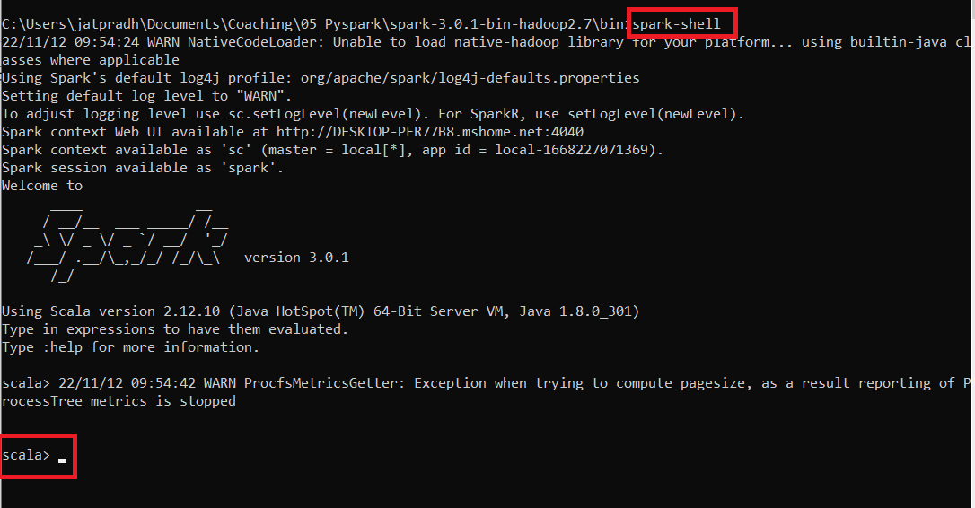

 |  |  |  |  | * Spark is written on top of Java

 |  | cmd
 |  |  | cd C:\Users\jatpradh\Documents\Coaching\05_Pyspark\spark-3.0.1-bin-hadoop2.7\bin
 |  |  | pyspark
 |  |  | >>>
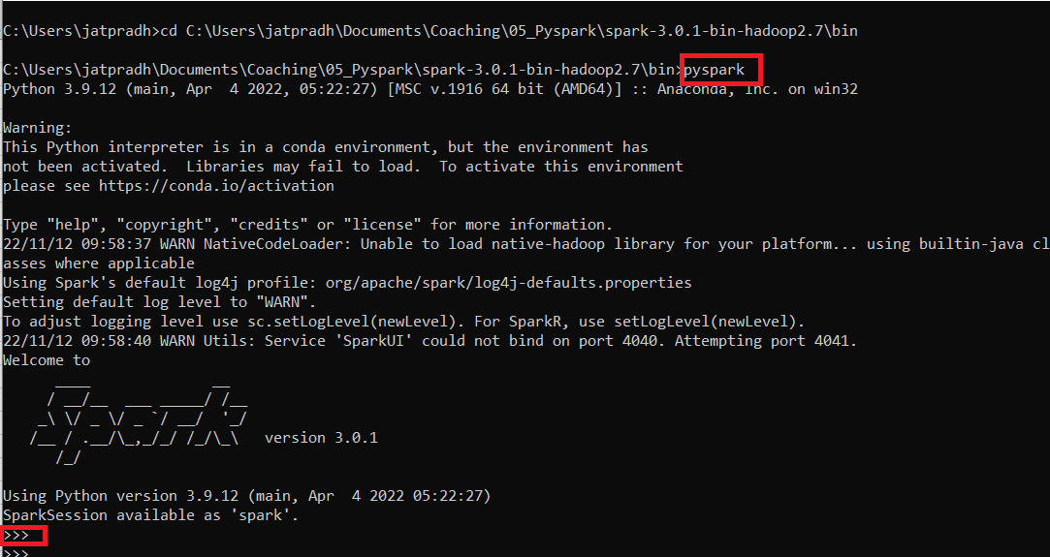

 |  |  |  |  |  | ** This is python based spark

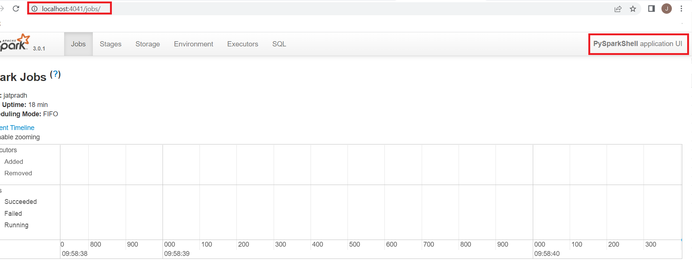
 |  | Goto browser
 |  |  | http://localhost:4041/
 |  |  | or
 |  |  | http://192.168.1.5:4040/
 |  |  | http://DESKTOP-PFR77B8.mshome.net:4040

 |  |  | ** These are spark UI Window

Queries
 | cmd
 |  | cd C:\Users\jatpradh\Documents\Coaching\05_Pyspark\spark-3.0.1-bin-hadoop2.7\bin
 |  | pyspark
 |  | >>>

 |  | >>> dataset = spark.read.csv("C:/Users/jatpradh/Documents/Coaching/05_Pyspark/diabetes.csv",header=True)
 |  | >>> dataset.show()

 |  |  | Practice other queries .

Project Setup
 | in VSCode
 |  | Insert this code piece to your test.py

 |  |  | import os
 |  |  | import sys
 |  |  | spark_path = r"C:/Users/jatpradh/Documents/Coaching/05_Pyspark/spark-3.0.1-bin-hadoop2.7" # spark installed folder
 |  |  | os.environ['SPARK_HOME'] = spark_path
 |  |  | sys.path.insert(0, spark_path + "/bin")
 |  |  | sys.path.insert(0, spark_path + "/python/pyspark/")
 |  |  | sys.path.insert(0, spark_path + "/python/lib/pyspark.zip")
 |  |  | sys.path.insert(0, spark_path + "/python/lib/py4j-0.10.9-src.zip")

 |  | Run as
 |  |  | python test.py

 | in Pycharm

 | 1 | File -> New Project -> Give project Name -> Create
 |  |  |  | Python version = 3.6

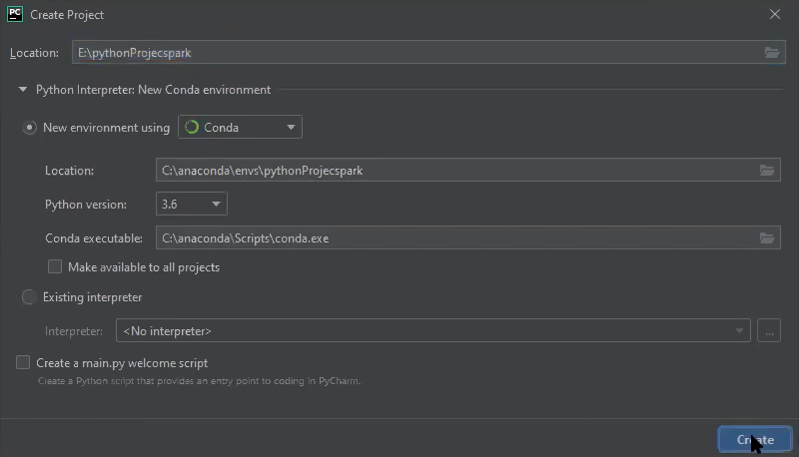

 | 2 | File -> Settings -> Project -> Project Structure

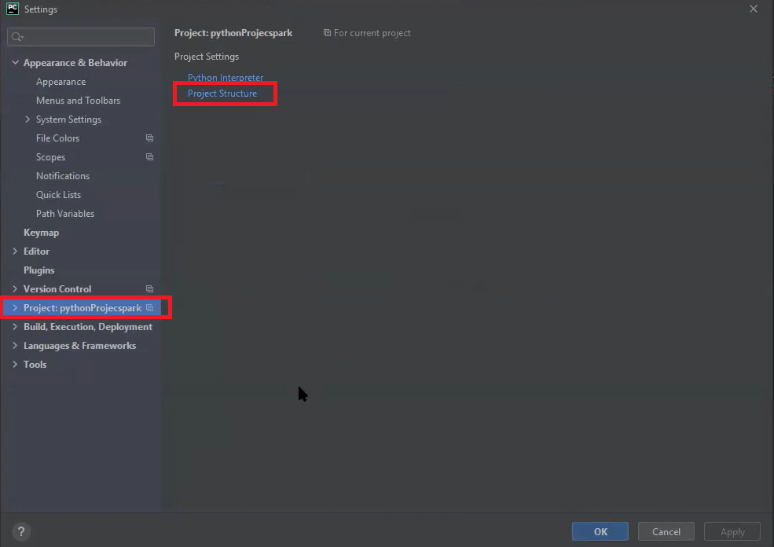

 | 3 | Add Content
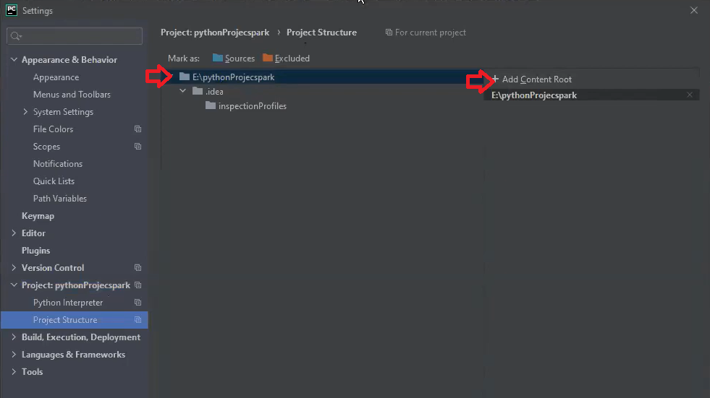

 | 4 | Add 2 files from location : C:\Users\jatpradh\Documents\Coaching\05_Pyspark\spark-3.0.1-bin-hadoop2.7\python\lib -> Ok

 |  |  |  | py4j-0.10.9-src.zip
 |  |  |  | pyspark.zip
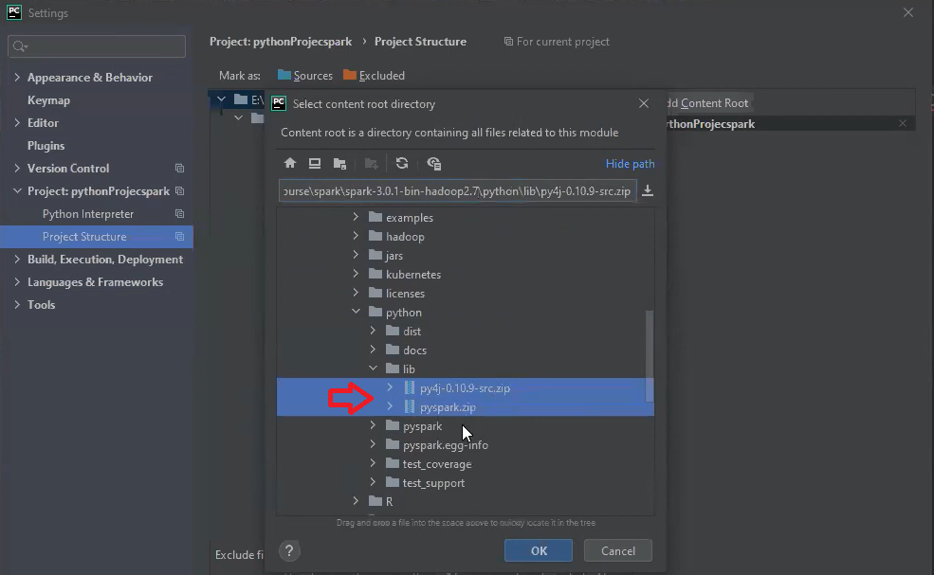

 | 5 | Both the zip files ( which are supporting Libraries for running Spark ) will be shown . Apply -> Ok
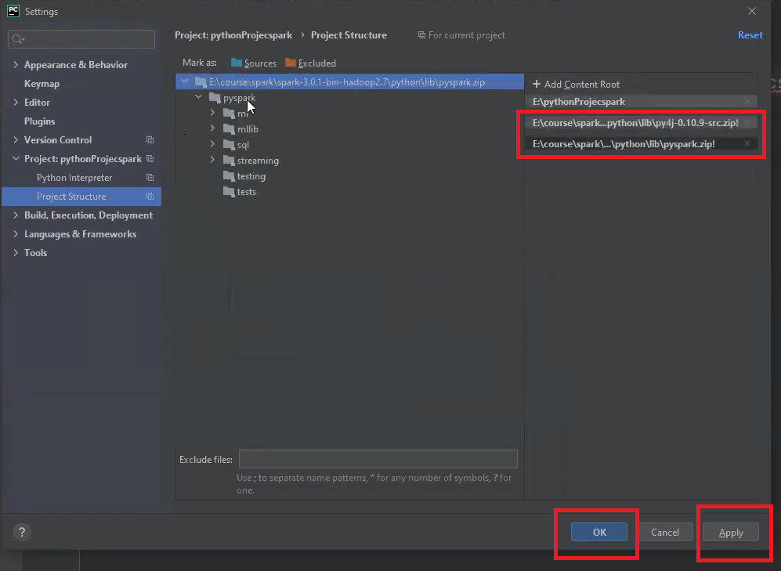

 | 6 | Pycharm error if any related to the code will be gone .
 |  | Incase any other dependent Libraries are missing you can install them . Ex
 |  |  | pip install pandas

 |  | If you are importing above 2 files , then SPARK_HOME configuration for Pycharm is not required .

